Introduction
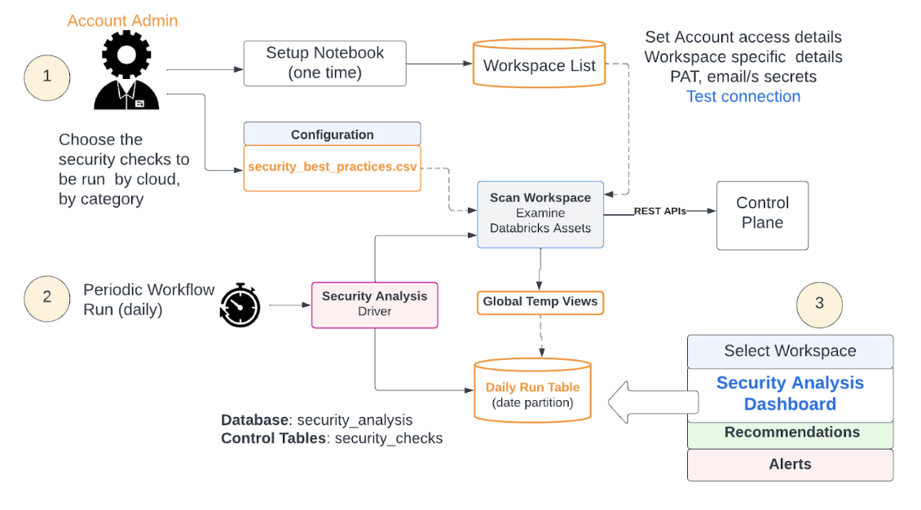
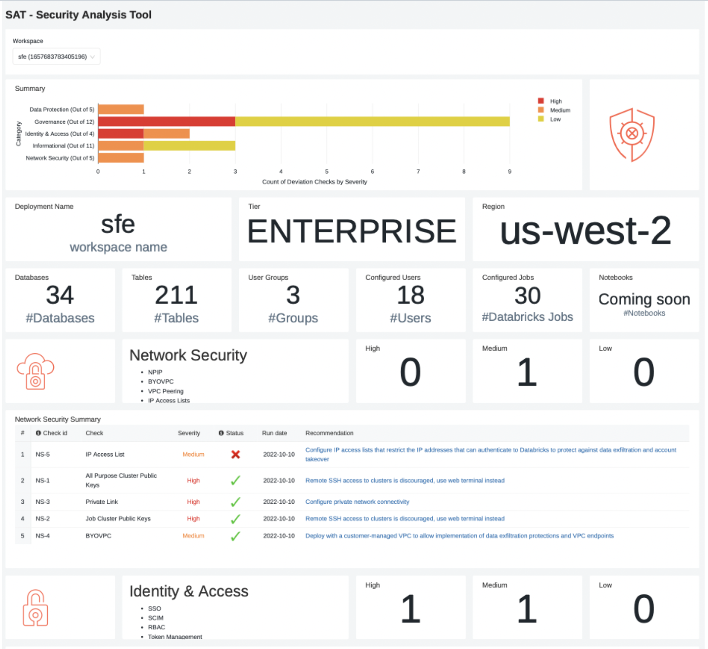
SAT - Security Analysis Tool | Securing data is an important orgaizational priority.
 | However assessing multipleworkspaces & environments can be tedious
 | to check whether their deployment is well-architected, what areas are well-fortified and which need attention is an involved task

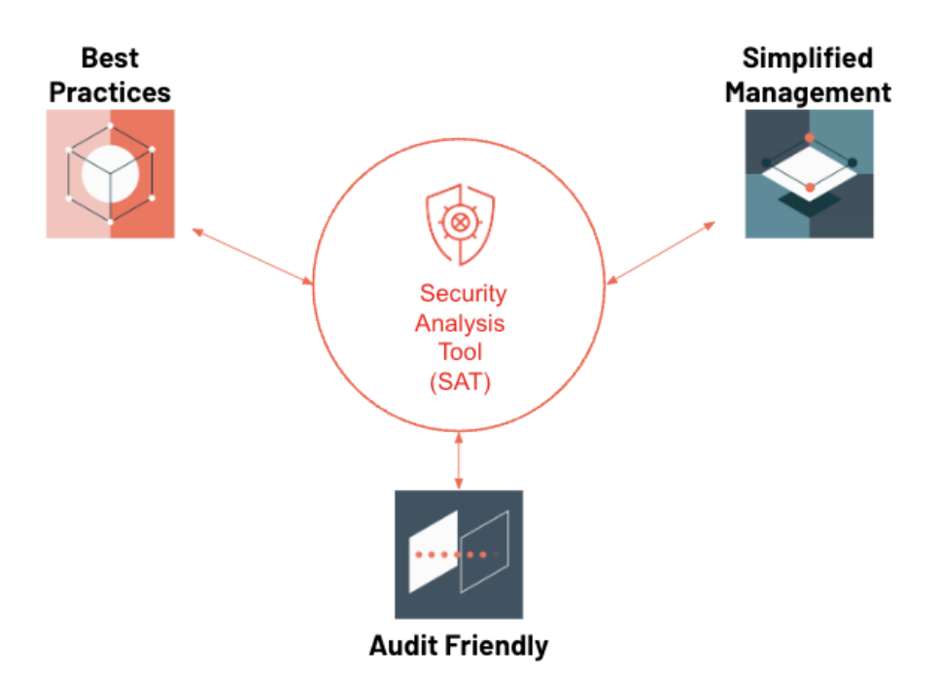
The Need for SAT | How do I know if I am following Databricks security best practices?
 | How can I easily monitor the security health of all of my account workspaces over time?

SAT Deployment

Setup Steps
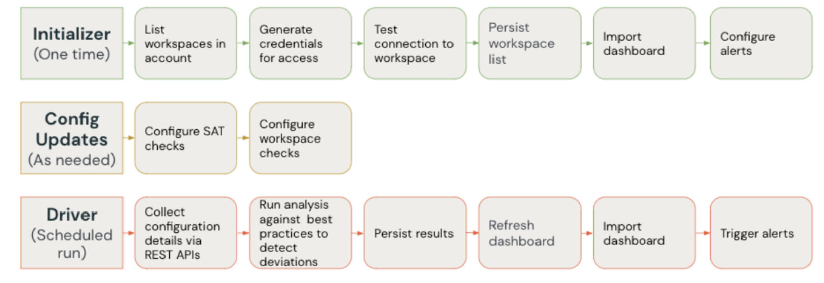
Status |  |  | Example
FALSE | Check account admin creds by logging to the account console | https://accounts.cloud.databricks.com/login
FALSE | Check access to your workspace & note the workspace Id | https://<>.cloud.databricks.com/?o=nnnnnnnnnnnn# | primary workspace_id=nnnnnnnnnnnn
FALSE | Setup a CLI profile to primary workspace | databricks configure --token --profile <profile_name> | databricks configure --token --profile e2-sat
FALSE | Check access to workspace | databricks --profile <profile_name> workspace ls | databricks --profile e2-sat workspace ls
FALSE
FALSE | Git clone via Repos | https://github.com/databricks-industry-solutions/security-analysis-tool.git
FALSE | Start the job cluster (single user, DBR 11.2+, i3.xlarge)
FALSE | Start the SQL Warehouse (x-small) | <SQL Endpoint ID> | xxxxxxxxxxxxxxxx

FALSE | Set up the secret scope | databricks --profile <profile_name> secrets create-scope --scope sat_scope | databricks --profile e2-sat secrets create-scope --scope sat_scope
FALSE | Set up admin userame in the secret scope | databricks --profile <profile_name> secrets put --scope sat_scope --key user | databricks --profile e2-sat secrets put --scope sat_scope --key user
FALSE | Set up admin password in the secret scope | databricks --profile <profile_name> secrets put --scope sat_scope --key pass | databricks --profile e2-sat secrets put --scope sat_scope --key pass
FALSE | Databricks E2 Account Id | databricks --profile <profile_name> secrets put --scope sat_scope --key account-console-id
FALSE | DB SQL WH EndPoint Id | databricks --profile <profile_name> secrets put --scope sat_scope --key sql-warehouse-id
FALSE | Set up primary workspace PAT token | databricks --profile <profile_name> secrets put --scope sat_scope --key sat_token_<workspace_id> | databricks --profile e2-sat secrets put --scope sat_scope --key sat_token_4193861523237530

FALSE | Run Setup <SATProject>/notebooks/security_analysis_initializer

Daily SAT Workflow
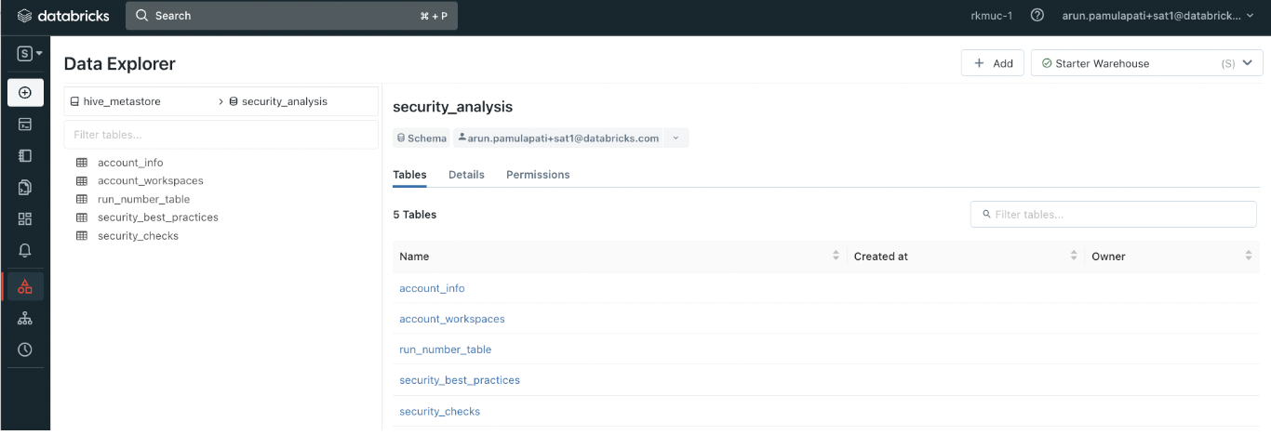
FALSE | Run <SATProject>/notebooks/security_analysis_driver | Note: This process takes up to 30 mins per workspace

FALSE | Check Execution details via Data Explorer
 | Schema: security_analysis

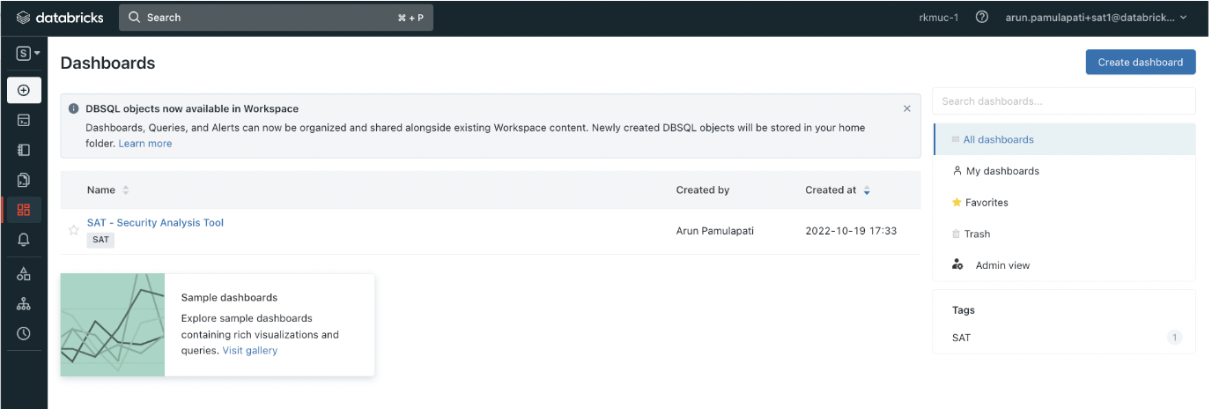
FALSE | Check Dashboard

 | Click the dashboard SAT - Security Analysis Tool

